Book Table
Insulin Response: | Pattern I Normal Curve | Pattern II Elevated Response | Pattern III Elevated Response | Pattern IV Elevated Response | Pattern V Low Response
Number of Patients: | 2,223 | 5,138 | 5,245 | 1,181 | 597
Correct Diagnosis: | Totally Non-Diabetic | Hyperinsulin: DIABETES 'IN SITU' | Hyperinsulin: DIABETES 'IN SITU' | Hyperinsulin: DIABETES 'IN SITU' | Hypoinsulin: Type 1 Diabetes
 |  |  |  |  | Non-Diabetic (low-carb dieter)
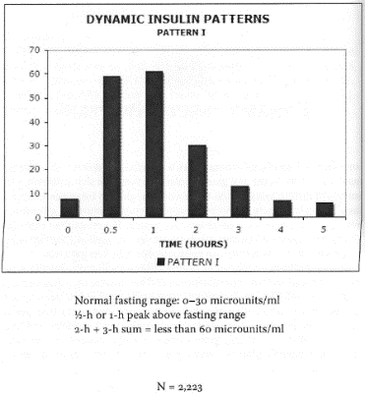
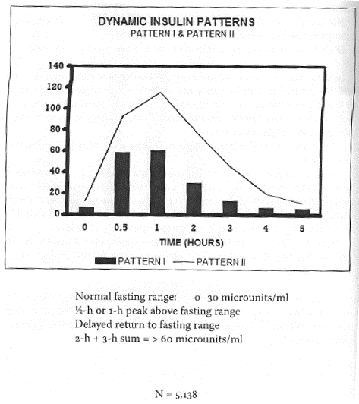
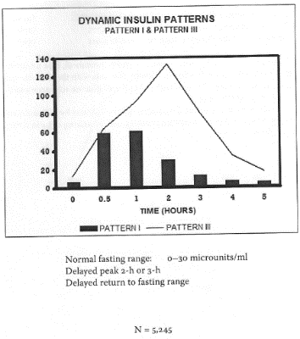
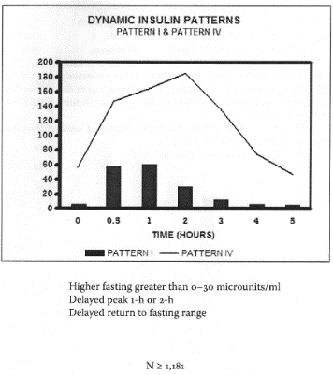
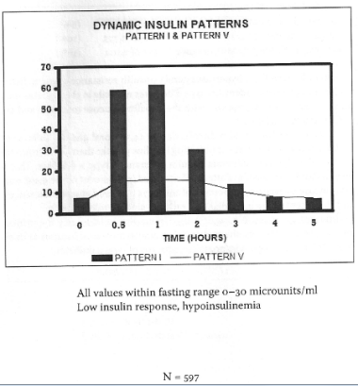

 |  | ~93% were NOT Flagged by Blood Glucose Test

 |  | ~80% were not flagged by Glucose Tolerance Test

UNHIDDEN MAIN
AGE GROUP | GLUCOSE TOLERANCE TEST RESULT: | NUMBER | % with FPG >100mg/dL | NORMAL INSULIN IN TEST | T2D 'IN SITU' HYPERINSULIN PATTERNS II to IV IN KRAFT TEST | % 'In Situ' DIABETES MISSED BY ACHIEVING NORMAL OGTT! | % 'In Situ' DIABETES MISSED VIA HAVING VIA 'NORMAL' FPG | Abnormal FPG | Normal FPG
3 to 13 Years Old | Total | 117
 | NGT (Normal) | 104 | Only 7% | 51 | 53 | 51% | 93% | 7 | 97
 | IGT (Impaired) | 7 | 43% | 4 | 3 |  | 57% | 3 | 4
 | DMGT (Diebetic) | 6 | 100% | 4 (Low Ins T1D) | 2 |  | 0% | 6 | 0
14 to 20 Years Old | Total | 651
 | NGT (Normal) | 569 | Only 7% | 126 | 443 | 78% | 93% | 40 | 529
 | IGT (Impaired) | 65 | 75% | 3 | 62 |  | 25% | 49 | 16
 | DMGT (Diebetic) | 17 | 81% | 4 (Low Ins T1D) | 13 |  | 18% | 14 | 3
21 to 30 Years Old | Total | 3720
 | NGT (Normal) | 3106 | Only 7% | 694 | 2412 | 78% | 93% | 217 | 2889
 | IGT (Impaired) | 485 | 40% | 24 | 461 |  | 60% | 194 | 291
 | DMGT (Diebetic) | 129 | 80% | 20 (Low Ins T1D) | 109 |  | 20% | 103 | 26
31 to 40 Years Old | Total | 2695
 | NGT (Normal) | 2049 | Only 7% | 471 | 1578 | 77% | 93% | 143 | 1906
 | IGT (Impaired) | 456 | Only 60% | 23 | 433 |  | 60% | 182 | 274
 | DMGT (Diebetic) | 190 | 80% | 6 (Low Ins T1D) | 184 |  | 15% | 162 | 28
41 to 50 Years Old | Total | 1924
 | NGT (Normal) | 1231 | Only 7% | 309 | 922 | 75% | 93% | 86 | 1145
 | IGT (Impaired) | 373 | 40% | 19 | 354 |  | 60% | 149 | 224
 | DMGT (Diebetic) | 320 | 80% | 24 (Low Ins T1D) | 296 |  | 20% | 256 | 64
51 to 60 Years Old | Total | 2413
 | NGT (Normal) | 1302 | Only 7% | 252 | 1050 | 81% | 93% | 91 | 1211
 | IGT (Impaired) | 603 | 40% | 30 | 573 |  | 60% | 241 | 362
 | DMGT (Diebetic) | 508 | 80% | 46 (Low Ins T1D) | 462 |  | 20% | 406 | 102
61 to 70 Years Old | Total | 1720
 | NGT (Normal) | 827 | Only 7% | 135 | 692 | 84% | 93% | 58 | 769
 | IGT (Impaired) | 464 | 40% | 23 | 441 |  | 60% | 186 | 278
 | DMGT (Diebetic) | 429 | 80% | 39 (Low Ins T1D) | 390 |  | 20% | 343 | 86
71 to 80 Years Old | Total | 932
 | NGT (Normal) | 345 | Only 7% | 64 | 281 | 81% | 93% | 24 | 321
 | IGT (Impaired) | 261 | 40% | 13 | 248 |  | 60% | 105 | 156
 | DMGT (Diebetic) | 326 | 80% | 35 (Low Ins T1D) | 291 |  | 20% | 261 | 65
81 to 90 Years Old | Total | 212
 | NGT (Normal) | 65 | Only 10% | 10 | 55 | 85% | 91% | 6 | 59
 | IGT (Impaired) | 61 | 41% | 3 | 58 |  | 59% | 25 | 36
 | DMGT (Diebetic) | 86 | 80% | 8 (Low Ins T1D) | 78 |  | 20% | 69 | 17
FULL GROUP ALL AGES | Total | 14384
 | NGT (Normal) | 9598 | Only 7% ! | 2112 | 7486 | 78% | 93% | 672 | 8926
 | IGT (Impaired) | 2775 | 41% | 142 | 2633 |  | 59% | 1134 | 1641
 | DMGT (Diabetic) | 2011 | 80% | 210 (Low Ins T1D) | 1825 |  | 19% | 1620 | 391 | 3426 | 10958 |  | 40.1%
TOTALS |  | 14384 |  |  | 11944 | 40% | 76% |  |  | 14384 |  |  | 28.7%
 |  |  |  |  |  |  |  |  |  | 24% | 76%
Weighted average of people missed by FPG / Gluc Tol Test, who were Diabetes in Situ: |  |  |  |  |  | 76%






 |  |  |  |  |  |  |  |  |  |  | 0 - 10 | 11 - 15 | 16 - 20 | 21 - 30 | > 30
 |  |  |  |  |  |  |  |  |  |  | 53% | 23% | 19% | 8% | 5%
 |  |  |  |  |  |  |  |  |  |  | 43% | 19% | 14% | 14% | 10%
 |  |  |  |  |  |  |  |  |  |  | 39% | 19% | 14% | 18% | 16%
 |  |  |  |  |  |  |  |  |  |  | 49% | 22% | 17% | 11% | 8%

